1. Title Page
[Instacart Grocery Basket Analysis]

Project Name: Instacart Grocery Basket Analysis
Date: 06-01-2022
Analyst Name: Nyamtsoo Jambalsuren

Contents:
Population Flow
Consistency checks
Wrangling steps
Column derivations
Visualizations
Recommendations

Context The Instacart stakeholders are most interested in the variety of customers in their database along with their purchasing behaviors. They assume they can't target everyone using the same methods, and they’re considering a targeted marketing strategy. They want to target different customers with applicable marketing campaigns to see whether they have an effect on the sale of their products.

Key Questions 1. What the busiest days of the week and hours of the day are in order to schedule ads at times when there are fewer orders. 2. They also want to know whether there are particular times of the day when people spend the most money, as this might inform the type of products they advertise at these times. 3. Instacart has a lot of products with different price tags. Marketing and sales want to use simpler price range groupings to help direct their efforts. 4. Are there certain types of products that are more popular than others? The marketing and sales teams want to know which departments have the highest frequency of product orders. 5. What’s the distribution among users in regards to their brand loyalty (i.e., how often do they return to Instacart)? 6. Are there differences in ordering habits based on a customer’s loyalty status? 7. Are there differences in ordering habits based on a customer’s region? 8. Is there a connection between age and family status in terms of ordering habits? 9. What different classifications does the demographic information suggest? Age? Income? Certain types of goods? Family status? 10. What differences can you find in ordering habits of different customer profiles? Consider the price of orders, the frequency of orders, the products customers are ordering, and anything else you can think of.

2. Population Flow
Title page

Population flow

Exclusion flag
Condition: max_order <
Obervations to be removed:
Final total count of order_products_all:

Orders_products_combined
Orders_products_merged
Orders_products_all

Total: 32,640,698
Total: 32,404,859
Total: 32,404,859

1.) The grey boxes in the first row of the population flow represent the original data sets as they were when you downloaded them. In the Total fields you need to add the count of the rows when you imported the data set into Jupyter.
2.) The second row of boxes (coloured) represents the data sets after you manipulated them, e.g., removed missing values and duplicates. In the Total fields you need to add the count of the rows after conducting these operations. This offers a visual oveview of how the data flows throughout the data consistency checks.
3.) The third row, where also the arrows are coloured, represents the merges you performed between the datasets. In the Total fields you need to add the count of the rows in the merged datasets, so that you end up with the final dataset (in the red box). Keep in mind the final dataset should be without exclusions (based on the exclusion flag).

3. Consistency checks
 |  |  |  | Title page
Consistency checks

Dataset | Missing values | Missing values treatment | Duplicates
orders | days_since_prior_order - 206,209 NAN values | Created flag for mssing values
products | product_name - 16 missing values | Created new dataframe | 5 duplicates
orders_products_prior
customers | first_name - 11,259 missing values

4. Wrangling steps
 |  |  |  | Title page
Wrangling steps

Columns dropped | Columns renamed | Columns' type changed | Comment/Reason
eval_set | NA | NA | NA
 | order_dow | orders_day_of_week | To be clear
 |  | order_id = 'str' | No need to calculate statistics
 |  | user_id = 'str' | No need to calculate statistics
Unnamed |  |  | No needed
 | "First_Name" |  | Renamed columns with illogical names
 | "Last_Name" |  | Renamed columns with illogical names
 | "Gender" |  | Renamed columns with illogical names
 | "STATE" |  | Renamed columns with illogical names
 | "Age" |  | Renamed columns with illogical names
"first_name" |  |  | PII data
"last_name" |  |  | PII data

5. Column derivations
 |  |  |  | Title page

Column derivations and aggregations

In this tab you should add tables below that the frequences of flags/label variables that you produced after deriving them. NB: don't do this for continuous variables, only for flags.
Dataset | New column | Column/s it was derived from | Conditions
 | price_range_loc | prices | if row['prices'] <= 5: return 'Low-range product' elif (row['prices'] > 5) and (row['prices'] <= 15): return 'Mid-range product' elif row['prices'] > 15: return 'High range' else: return 'Not enough data'
 | busiest_day | orders_day_of_week | for value in df_merged["orders_day_of_week"]: if value == 0: result.append("Busiest day") elif value == 4: result.append("Least busy") else: result.append("Regularly busy")
 | Busiest_day_two | orders_day_of_week | for value in df_merged["orders_day_of_week"]: if value == 0: result_two.append("Busiest day") elif value == 1: result_two.append("Busiest day") elif value == 4: result_two.append("Least busy") elif value == 3: result_two.append("Least busy") else: result_two.append("Regularly busy")
 | busiest_period_of_day | order_hour_of_day | for value in df_merged["order_hour_of_day"]: if value > 9 and value <=17: result_1.append("Most orders") elif value <=5: result_1.append("Fewest orders") else: result_1.append("Average orders")
 | loyalty_flag | max_order | ords_prods_merge.loc[ords_prods_merge['max_order'] > 40, 'loyalty_flag'] = 'Loyal customer' ords_prods_merge.loc[(ords_prods_merge['max_order'] <= 40) & (ords_prods_merge['max_order'] > 10), 'loyalty_flag'] = 'Regular customer' ords_prods_merge.loc[ords_prods_merge['max_order'] <= 10, 'loyalty_flag'] = 'New customer'
 | spending | user_id & prices
 | spending_flag | spending | ords_prods_merge.loc[ords_prods_merge['spending'] < 10, 'spending_flag']= 'Low spender' ords_prods_merge.loc[ords_prods_merge['spending']>10, 'spending_flag']= 'High spender'
 | frequency_flag | frequency | ords_prods_merge.loc[ords_prods_merge['frequency'] > 20, 'frequency_flag']= 'Non-frequent customer' ords_prods_merge.loc[(ords_prods_merge['frequency'] > 10) & (ords_prods_merge['frequency'] <= 20), 'frequency_flag']= 'Regular customer' ords_prods_merge.loc[ords_prods_merge['frequency'] <= 10, 'frequency_flag']= 'Frequent customer'
 | exclusion_flag | max_order | df_ord_prods_cust.loc[df_ord_prods_cust['max_order'] < 5, 'exclusion_flag'] = 'Low activity customer' df_ord_prods_cust.loc[df_ord_prods_cust['max_order'] >= 5, 'exclusion_flag'] = 'Normal activity customer'
 | age_group | age | for value in df_ord_prods_cust ['age']: if (value > 18) & (value <= 34 ): age_group.append ('18-34 age group') elif (value > 35) & (value <= 50): age_group.append ('35-50 age group') elif (value > 51) & (value <= 69): age_group.append ('51-69 age group') else: age_group.append ('70-81 age group')
 | income_range | income | for value in df_ord_prods_cust['income']: if value < 20000: income_range.append('Below or near poverty level') elif (value >= 20000) and (value <= 44999): income_range.append('Low income') elif (value >= 45000) and (value <= 139999): income_range.append('Middle class') elif (value >= 140000) and (value <= 149999): income_range.append('Upper middle class') elif (value >= 150000) and (value <= 199999): income_range.append('High income') elif value >= 200000: income_range.append('Highest income')

6. Visualizations
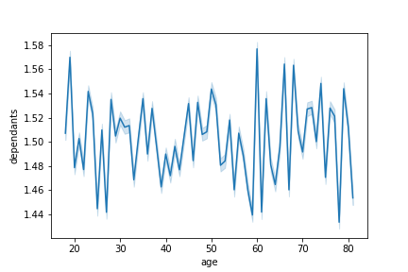
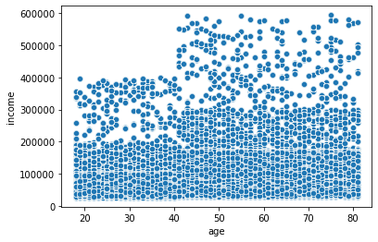
 |  |  |  | Title page

Visualisations

In this tab you should include all the visualtions from Exercises 4.9 and 4.10, alongside the questions from the project brief that they answer. Include any commentary on the relationship between different variables.

1. The sales team needs to know what the busiest days of the week and hours of the day are (i.e., the days and times with the most orders) in order to schedule ads at times when there are fewer orders.

Weekends are the busiest days for the Instacart online grocery store. |  | Between 10 am and 3 pm is the busiest hour for the online grocery store.
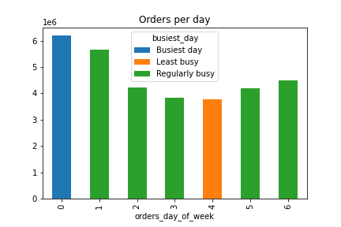
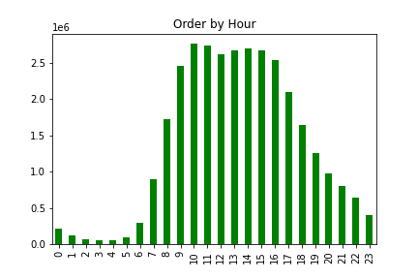

0 = Saturday, 1 = Sunday, 2 = Monday, 3 = Tuesday, 4 = Wednesday, 5 = Thursday, 6 = Friday

2. They also want to know whether there are particular times of the day when people spend the most money, as this might inform the type of products they advertise at these times.

Customers spend the most money on Instacart's online store between 3 and 7 a.m. |  | Low spenders (average price under 10) generate the highest revenue for the Instacart online store. This is because there are far fewer "high spenders" than "low spenders".
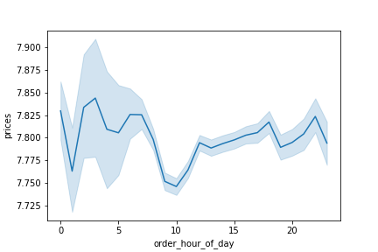
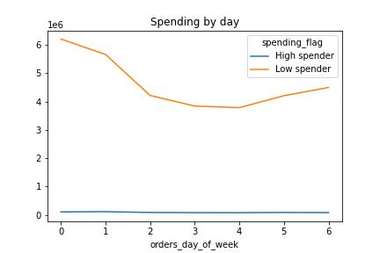

3. Instacart has a lot of products with different price tags. Marketing and sales want to use simpler price range groupings to help direct their efforts.

68 percent of all online sales are in the $6-15 range. 31 % are in the low range (less than $ 5) and only 1.3 percent are in the high range (above $ 15).

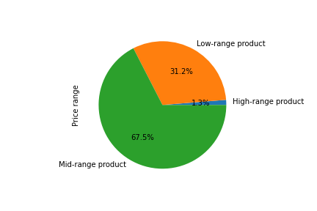

4. Are there certain types of products that are more popular than others? The marketing and sales teams want to know which departments have the highest frequency of product orders.

Produce and Dairy eggs are the most popular than others. |  | Department 4, 16, 7 and 19 have the highest freguency of product orders.
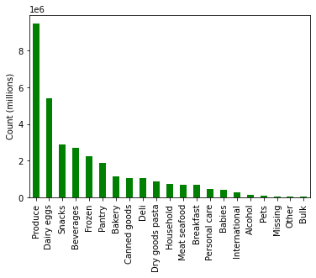
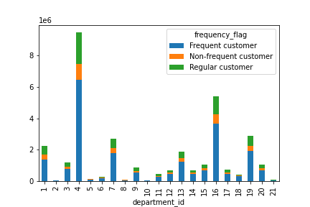

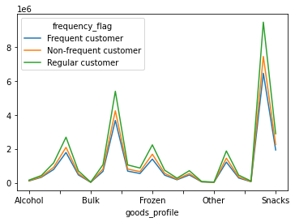

5. What’s the distribution among users in regards to their brand loyalty (i.e., how often do they return to Instacart)?

"31.7 percent of clients are loyal customers who have placed more than 40 orders, 49 percent are regular customers who have placed 11-40 orders, and 19.3 percent are new customers who have placed ten orders or less."

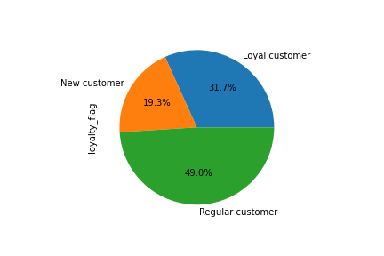

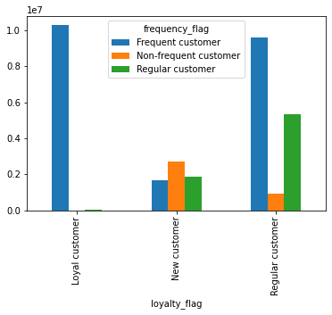

6. Are there differences in ordering habits based on a customer’s loyalty status?

The vast majority of customers in all three loyalty levels are low spenders. | There is no difference between men and women in ordering habits.
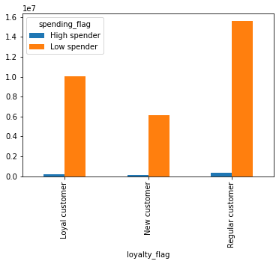
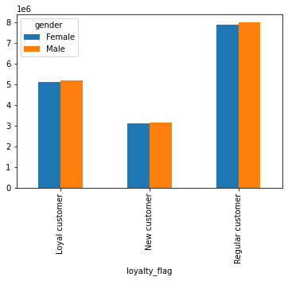

7. Are there differences in ordering habits based on a customer’s region?

The West has the highest order frequency, whereas the Northeast has the lowest. Low spenders provide the majority of revenue for all four region.

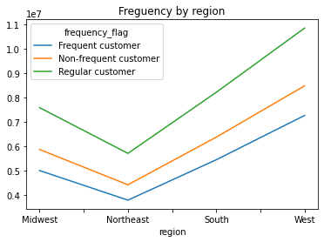
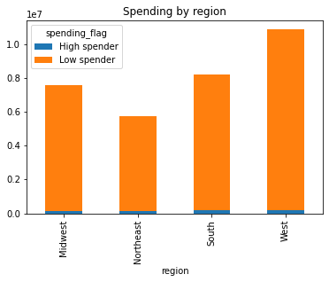

8. Is there a connection between age and family status in terms of ordering habits?

In terms of spending by age group, the 51-69 age group spends slightly more than the other age groups, but generally ordering habits are similar. Married people with the middle class income level provide the most of the revenue.
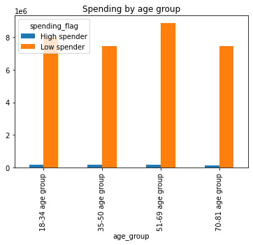
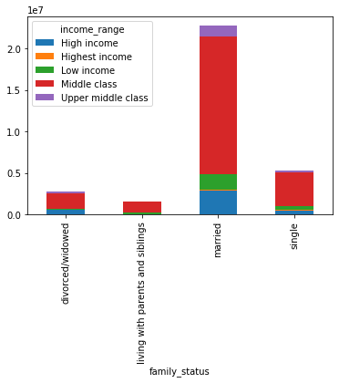

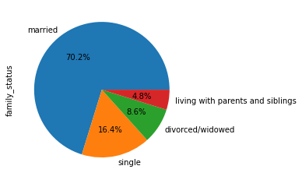

9. What different classifications does the demographic information suggest? Age? Income? Certain types of goods? Family status?

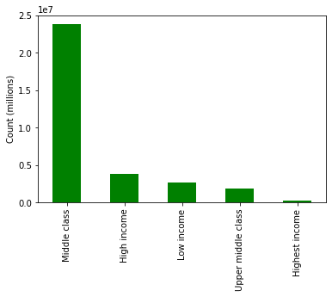
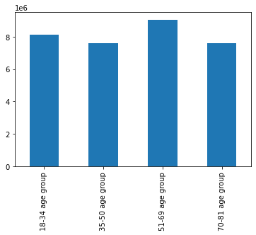
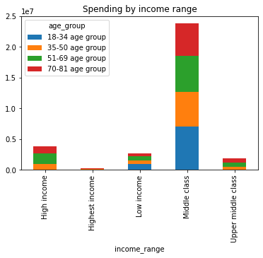

10. What differences can you find in ordering habits of different customer profiles? Consider the price of orders, the frequency of orders, the products customers are ordering, and anything else you can think of.

People between the ages of 20 and 40 have less spending power than those between the ages of 40 and 80. |  |  | There is no relationship between age and number of depandants.

7. Recommendations
 |  |  |  |  |  | Title page

Recommendations

In this tab you should include any recommendations you would made to Instcart in terms of their marketing strategy based on the questions posed in the brief. Every key question has been covered in the Tasks of the Exercises - here you need to add an item - a visualisation or table/crosstable that is showing the answer in the data, acompanied by a comment from you. Please, list the questions below and add the answer underneath.

Question |  | Answer
Key Question 1

 | ● The sales team needs to know what the busiest days of the week and hours of the day are (i.e., the days and times with the most orders) in order to schedule ads at times when there are fewer orders.

 | Weekends are the busiest days for the Instacart online grocery store. |  |  | Between 10 am and 3 pm is the busiest hour for the online grocery store.

 |  |  |  |  |  |  | Weekends are the busiest days, and the online grocery store is busiest between 10 a.m. and 3 p.m. To maintain success, Instacart management should pay close attention during these peak times.

 | 0 = Saturday, 1 = Sunday, 2 = Monday, 3 = Tuesday, 4 = Wednesday, 5 = Thursday, 6 = Friday

Key Question 2

 | ● They also want to know whether there are particular times of the day when people spend the most money, as this might inform the type of products they advertise at these times.

 | Customers spend the most money on Instacart's online store between 3 and 7 a.m. |  | Low spenders (average price under 10) generate the highest revenue for the Instacart online store. This is because there are far fewer "high spenders" than "low spenders".

 |  |  |  |  |  |  | In terms of online purchasing, a big number of low-spend customers provide the majority of revenue. Instacart management needs to focus on their satisfaction mainly.

Key Question 3

 | ● Instacart has a lot of products with different price tags. Marketing and sales want to use simpler price range groupings to help direct their efforts.

 | 68 percent of all online sales are in the $6-15 range. 31 % are in the low range (less than $ 5) and only 1.3 percent are in the high range (above $ 15).

Key Question 4

 | ● Are there certain types of products that are more popular than others? The marketing and sales teams want to know which departments have the highest frequency of product orders.

 | Produce and Dairy eggs are the most popular than others. |  |  | Department 4, 16, 7 and 19 have the highest freguency of product orders.

 |  |  |  |  |  |  |  | In terms of online purchasing, produce, dairy eggs, Snacks and Beverages are the most popular than others and highest freguency of products.

Key Question 5

● What’s the distribution among users in regards to their brand loyalty (i.e., how often do they return to Instacart)?

"31.7 percent of clients are loyal customers who have placed more than 40 orders, 49 percent are regular customers who have placed 11-40 orders, and 19.3 percent are new customers who have placed ten orders or less."
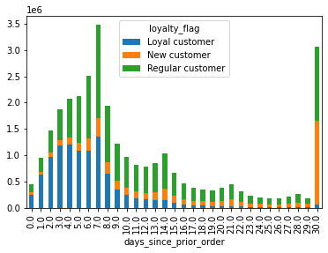

 |  |  |  |  |  |  |  |  | 31.7 percent of clients are loyal customers who have placed more than 40 orders, 49 percent are regular customers who have placed 11-40 orders, and 19.3 percent are new customers who have placed ten orders or less. Customers usually return to instacart between 1-15 days

Key Question 6

 | 6. Are there differences in ordering habits based on a customer’s loyalty status?

 | The vast majority of customers in all three loyalty levels are low spenders.

 |  |  |  |  |  |  | More than 90 % of customers are low spenders and regular customers have the highest spending for online shopping. .

Key Question 7

● Are there differences in ordering habits based on a customer’s region?

 |  |  |  |  |  |  | The West has the highest order frequency, whereas the Northeast has the lowest. Low spenders provide the majority of revenue for all four region.

Key Question 8

● Is there a connection between age and family status in terms of ordering habits?

 |  |  |  |  |  |  |  |  |  | In terms of spending by age group, the 51-69 age group spends slightly more than the other age groups, but generally ordering habits are similar. In terms of family status, married people with the middle class income level provide the most of the revenue.

Key Question 9
 | 9. What different classifications does the demographic information suggest? Age? Income? Certain types of goods? Family status?

Key Question 10
 |  |  |  |  |  |  |  |  |  |  | The most important customers for instacart online shopping are adults aged 40 to 80, with a household income of middle class.

 | ● What differences can you find in ordering habits of different customer profiles? Consider the price of orders, the frequency of orders, the products customers are ordering, and anything else you can think of.

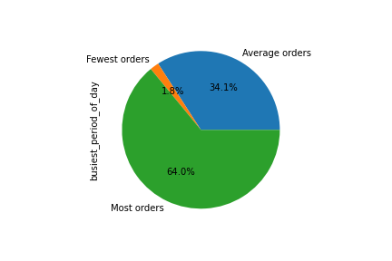
 | People between the ages of 20 and 40 have less spending power than those between the ages of 40 and 80. |  |  |  | There is no relationship between age and number of depandants.

